Stats - 1min duration
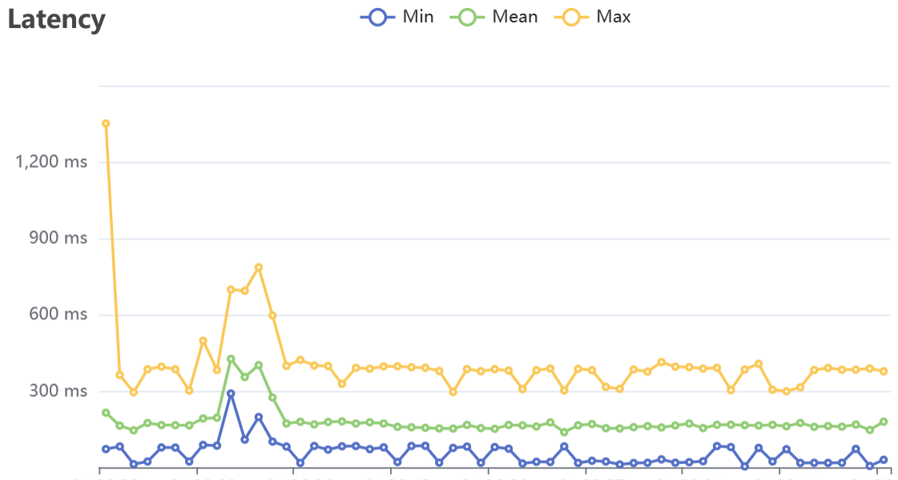
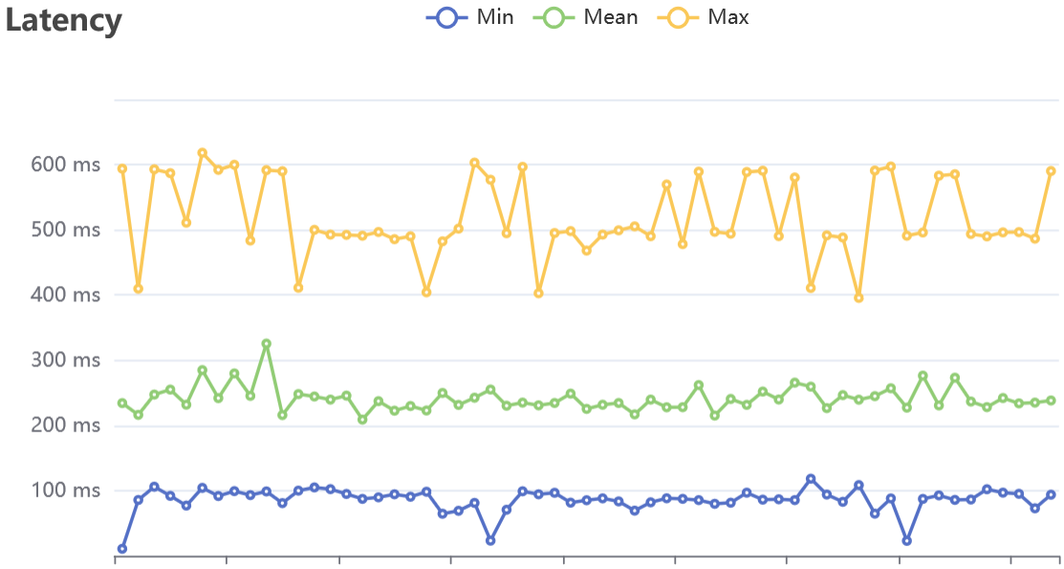
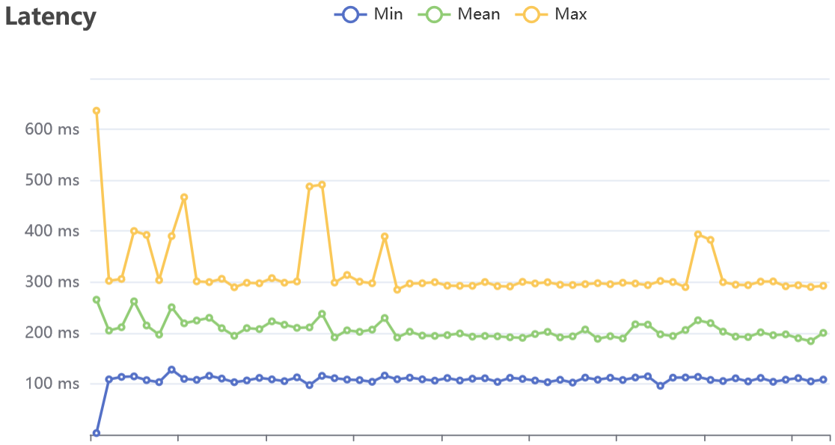
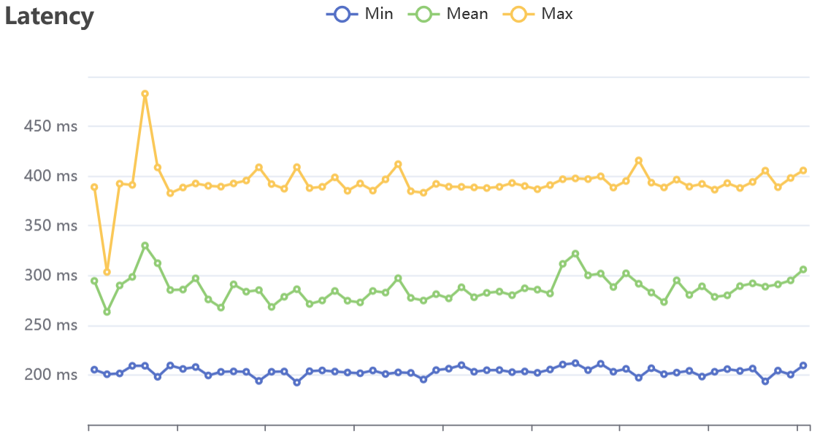
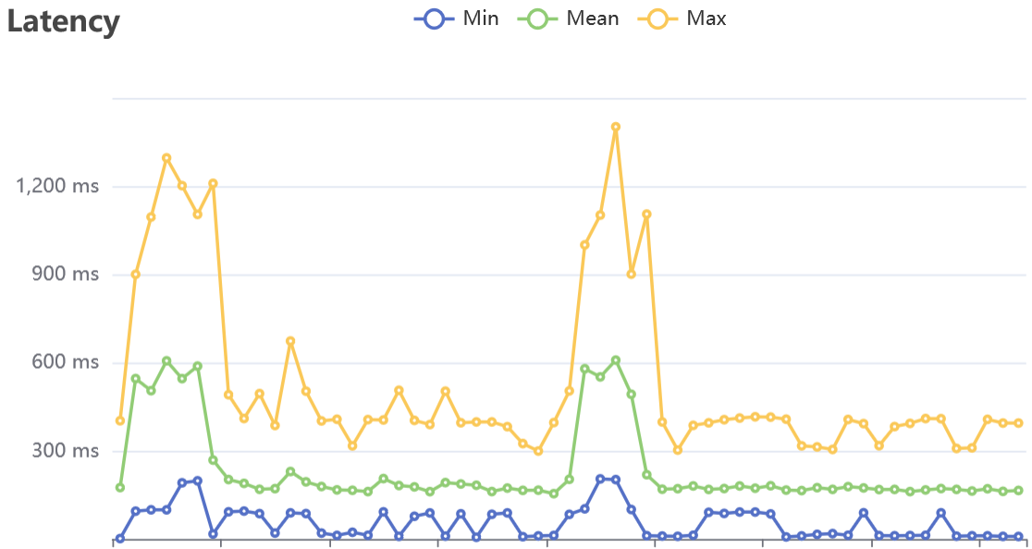
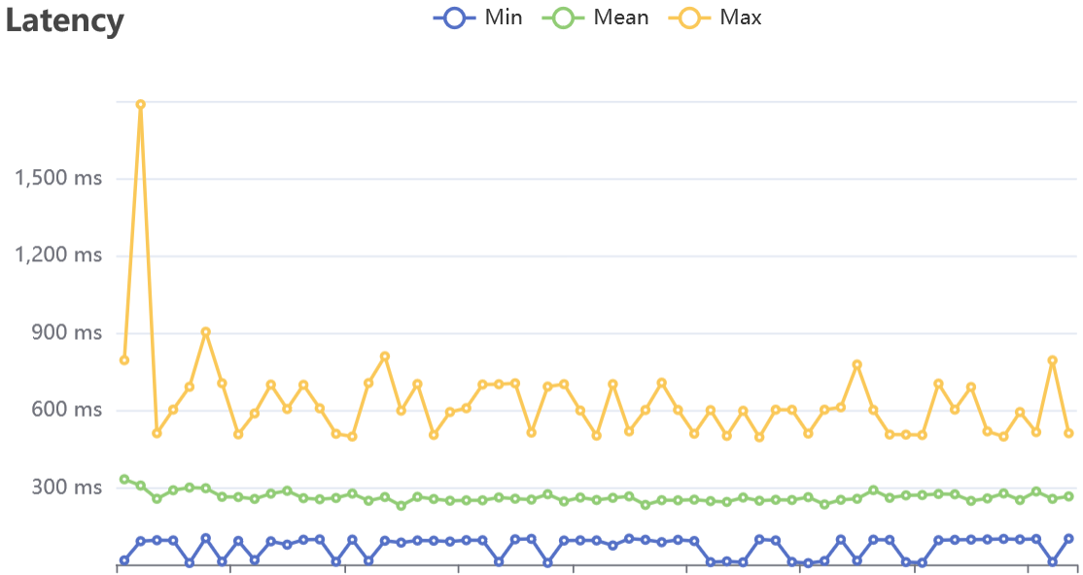
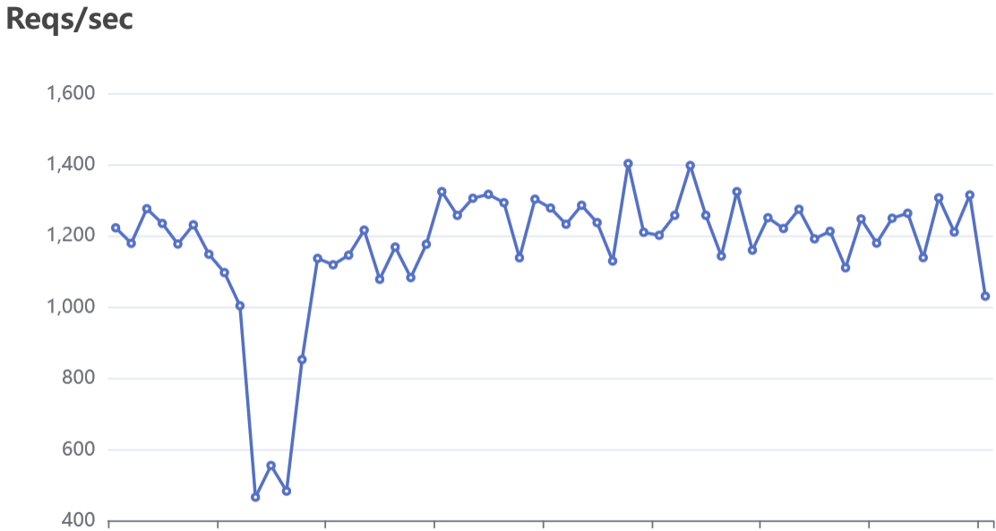
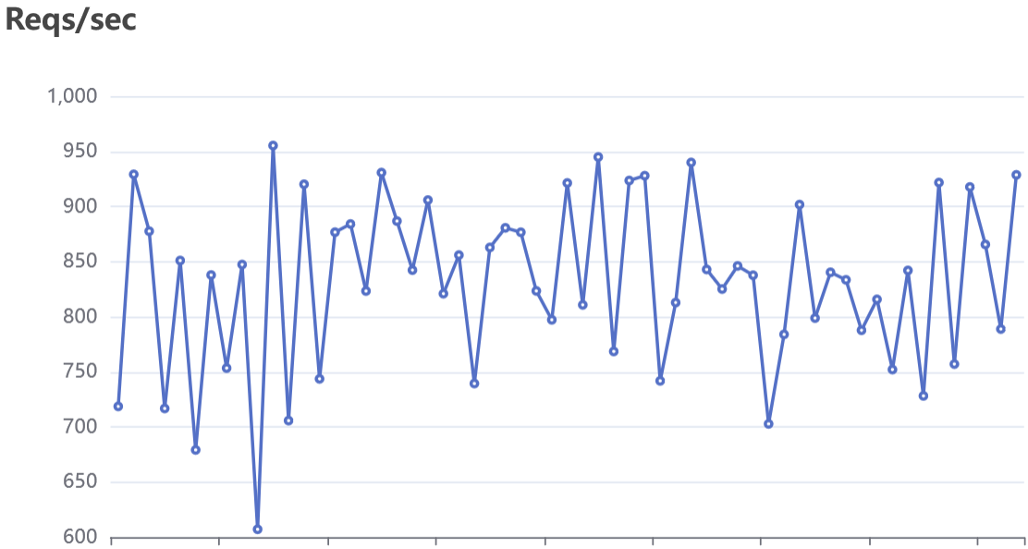
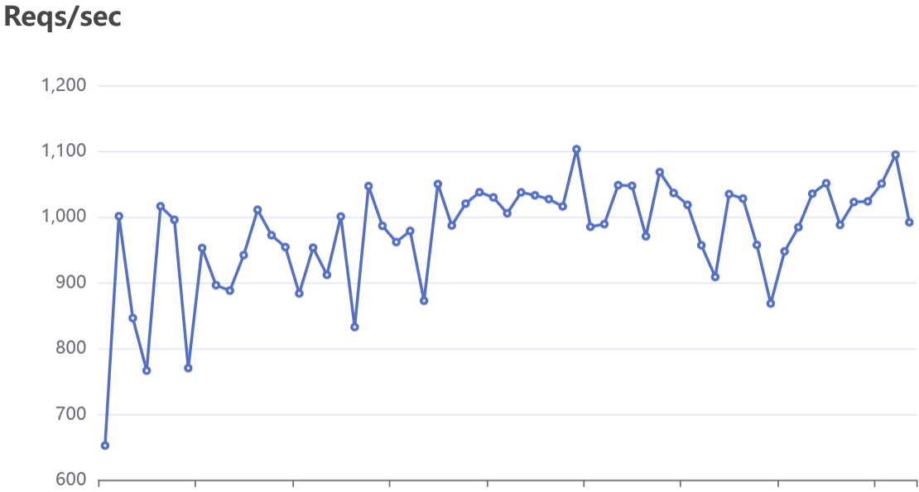
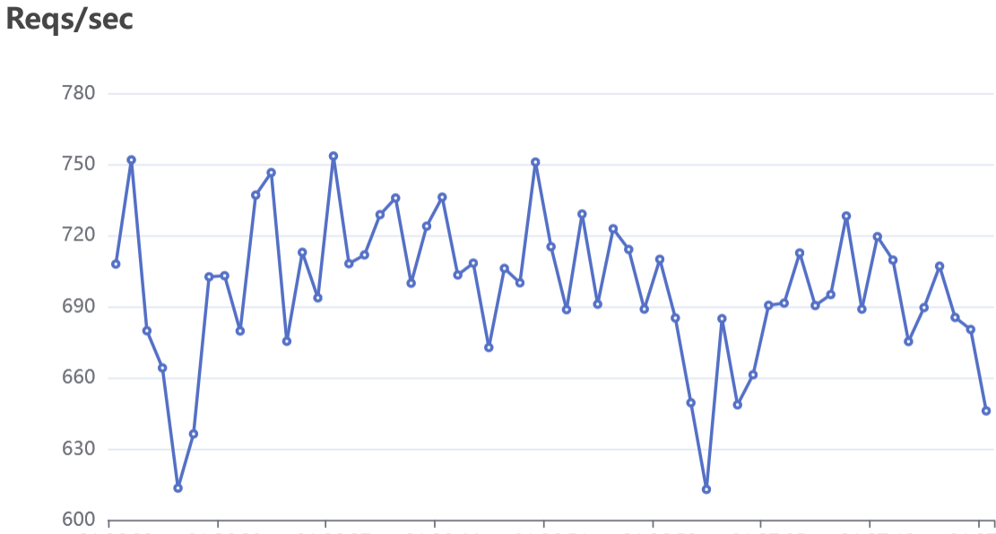
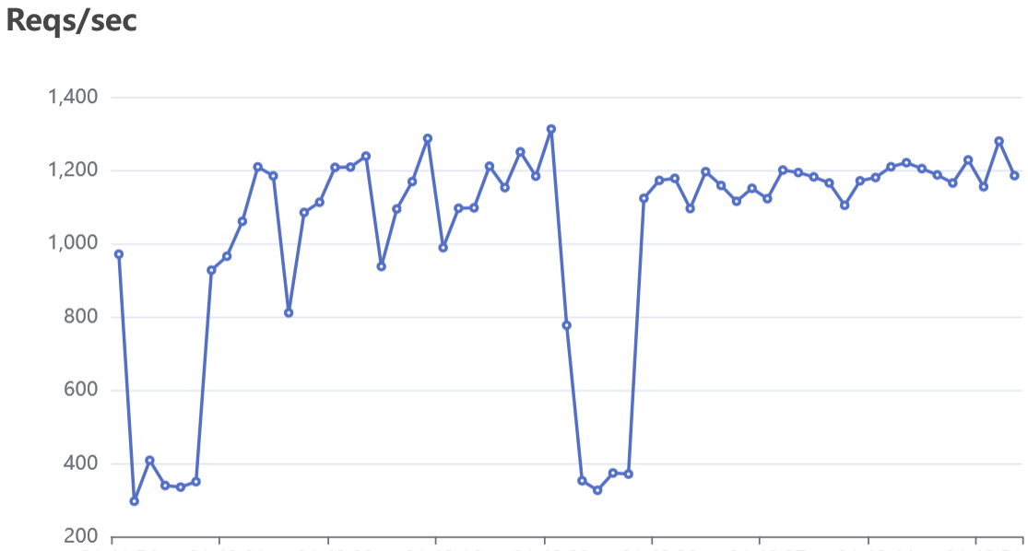
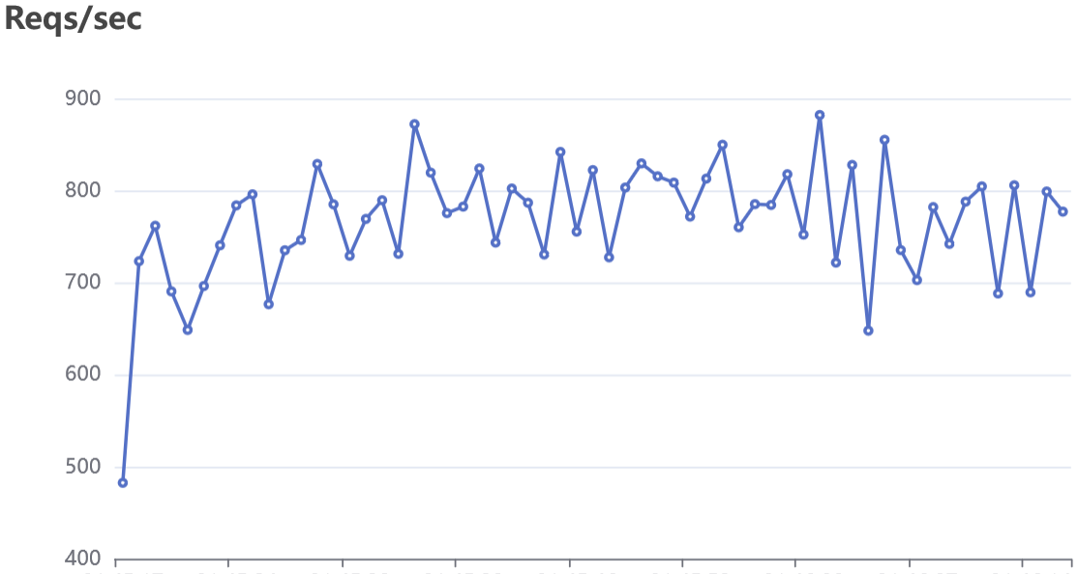
web-jvm-virtual-threads | web-native-virtual-threads | webflux-jvm | webflux-native | web-jvm-os-threads | web-native-os-threads
Count 70002 | Count 49880 | Count 58602 | Count 41803 | Count 61198 | Count 46050
2xx 70002 | 2xx 49880 | 2xx 58602 | 2xx 41803 | 2xx 61198 | 2xx 46050
RPS 1166.609 | RPS 831.315 | RPS 976.471 | RPS 696.548 | RPS 1019.946 | RPS 767.432
Reads 26.051MB/s | Reads 18.564MB/s | Reads 21.785MB/s | Reads 15.540MB/s | Reads 22.776MB/s | Reads 17.137MB/s
Writes 0.087MB/s | Writes 0.062MB/s | Writes 0.073MB/s | Writes 0.052MB/s | Writes 0.076MB/s | Writes 0.057MB/s

Statistics Min Mean StdDev Max | Statistics Min Mean StdDev Max | Statistics Min Mean StdDev Max | Statistics Min Mean StdDev Max | Statistics Min Mean StdDev Max | Statistics Min Mean StdDev Max
Latency 2.036ms 171.093ms 79.327ms 1.351272s | Latency 10.753ms 239.973ms 80.673ms 618.268ms | Latency 3.159ms 204.375ms 47.342ms 636.599ms | Latency 4.592ms 286.346ms 47.067ms 482.819ms | Latency 1.54ms 195.744ms 115.738ms 1.402177s | Latency 5.32ms 260.037ms 93.374ms 1.7872s
RPS 465.29 1172.93 184.98 1416.71 | RPS 607.14 831.43 77.13 955.17 | RPS 651.95 975.01 83.35 1102.63 | RPS 612.84 696.63 30.65 753.42 | RPS 296.11 1016.98 303.04 1311.96 | RPS 482.5 767.47 64.5 881.97

Latency Percentile: | Latency Percentile: | Latency Percentile: | Latency Percentile: | Latency Percentile: | Latency Percentile:
P50 P75 P90 P95 P99 P99.9 P99.99 | P50 P75 P90 P95 P99 P99.9 P99.99 | P50 P75 P90 P95 P99 P99.9 P99.99 | P50 P75 P90 P95 P99 P99.9 P99.99 | P50 P75 P90 P95 P99 P99.9 P99.99 | P50 P75 P90 P95 P99 P99.9 P99.99
188.269ms 202.069ms 272.076ms 296.518ms 405.321ms 785.993ms 1.261892s | 211.389ms 298.258ms 317.127ms 394.407ms 430.602ms 511.424ms 599.803ms | 199.822ms 205.305ms 286.733ms 292.783ms 306.314ms 437.272ms 632.721ms | 296.642ms 302.206ms 311.729ms 385.361ms 395.708ms 410.423ms 482.279ms | 193.681ms 202.542ms 294.88ms 398.881ms 703.182ms 1.000618s 1.209578s | 271.209ms 301.562ms 394.829ms 403.478ms 506.009ms 705.453ms 1.502752s

Latency Histogram: | Latency Histogram: | Latency Histogram: | Latency Histogram: | Latency Histogram: | Latency Histogram:
24.294ms 668 0.95% | 24.042ms 87 0.17% | 17.102ms 50 0.09% | 15.149ms 27 0.06% | 150.789ms 36888 60.28% | 119.408ms 4302 9.34%
101.95ms 18861 26.94% | 92.75ms 1305 2.62% | 106.701ms 631 1.08% | 50.862ms 36 0.09% | 224.156ms 20304 33.18% | 207.785ms 19124 41.53%
169.455ms 26739 38.20% | 192.364ms 22725 45.56% | 171.852ms 15757 26.89% | 177.399ms 26 0.06% | 395.894ms 3234 5.28% | 305.289ms 17632 38.29%
209.467ms 18899 27.00% | 271.753ms 18286 36.66% | 203.213ms 33016 56.34% | 208.317ms 4681 11.20% | 697.612ms 543 0.89% | 399.279ms 3958 8.60%
308.299ms 4420 6.31% | 318.734ms 6142 12.31% | 262.951ms 6752 11.52% | 285.791ms 25501 61.00% | 870.558ms 186 0.30% | 490.966ms 861 1.87%
434.871ms 386 0.55% | 406.214ms 1246 2.50% | 293.925ms 2197 3.75% | 308.114ms 9355 22.38% | 989.957ms 32 0.05% | 579.177ms 161 0.35%
587.062ms 25 0.04% | 469.723ms 77 0.15% | 339.077ms 170 0.29% | 375.111ms 2081 4.98% | 1.144942s 10 0.02% | 669.587ms 11 0.02%
684.339ms 4 0.01% | 498.752ms 12 0.02% | 435.534ms 29 0.05% | 387.282ms 96 0.23% | 1.402177s 1 0.00% | 793.004ms 1 0.00%

1920 MB ram | 359 MB ram | 1230 MB ram | 210 MB ram | 1650 MB ram | 420 MB ram

